PHOTOS
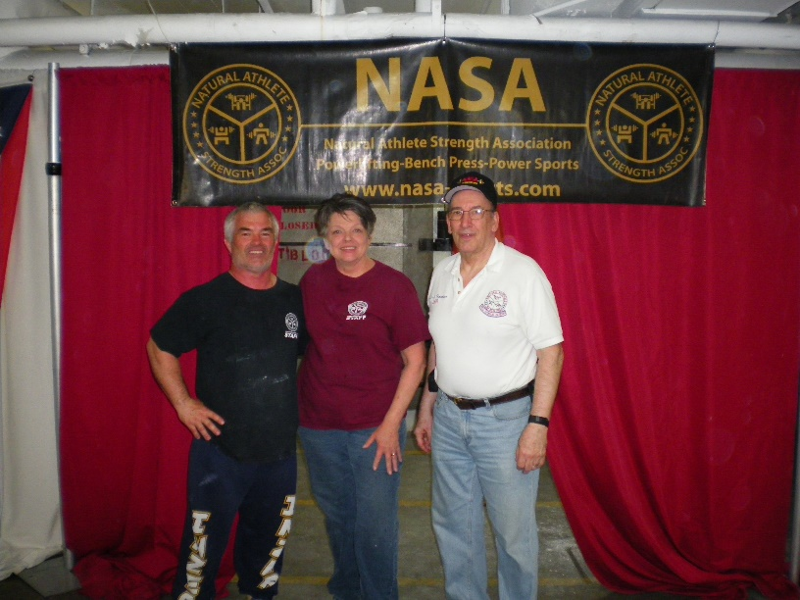
3 0r 4 OHIO's
NASA's Over Athlete of Year
Award winners.
1998 - Terry Perkins
2014 - Pat Frock
2012 - Larry Donahue
Missing:
2006 - Mark Woodworth

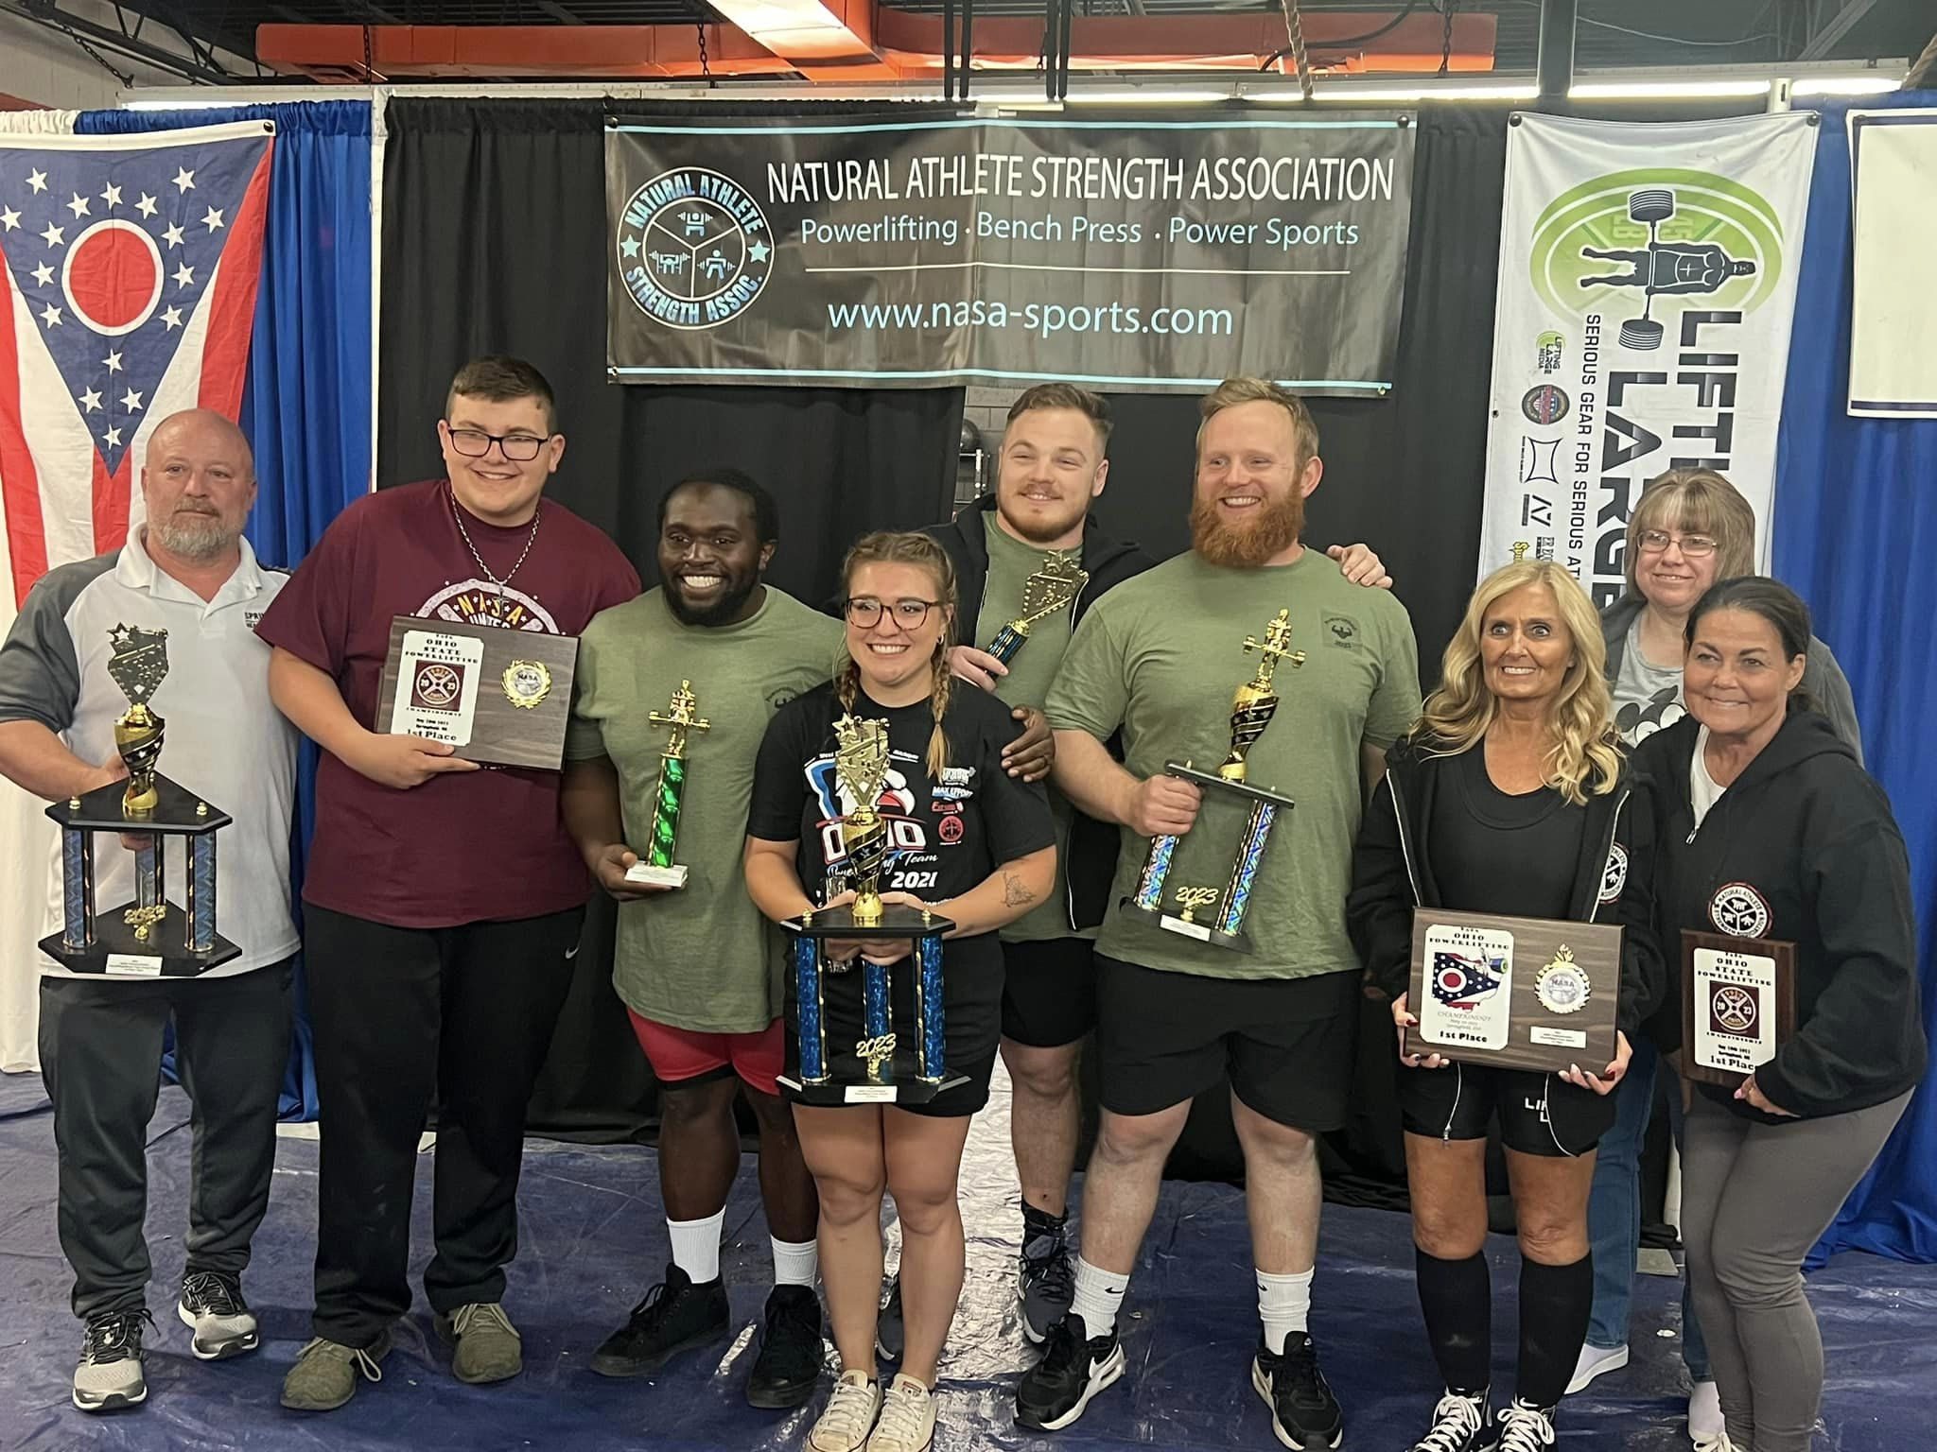
 |  | Underground Barbell Club
 |  | First Place Mixed Team 5/20/2023

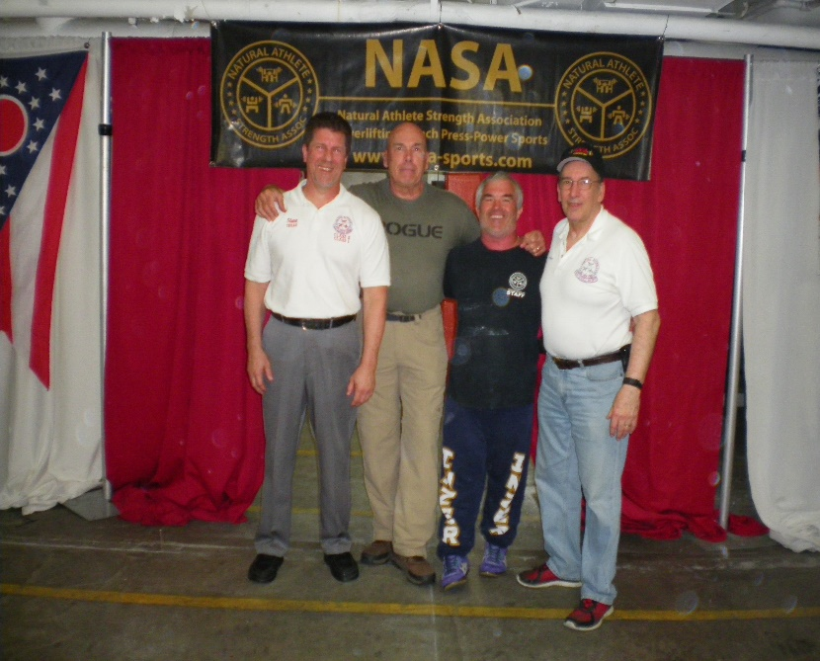
4 of OHIO's
NASA's Hall of Famers
2007 - Steve Wisnieski
2015 - Jeff Briner
2005 - Terry Perkins
2008 - Larry Donahue
Other Ohio Hall of Famers
2006 - Mark Woodworth
2007 - Stephanie Gibson
2008 - Gary School
2009 - Sam Stewart
2013 - Pat Frock
2017 - John Frock

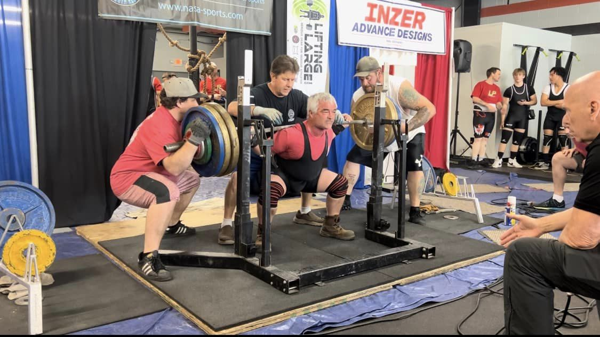
Terry Perkins 5/20/2023

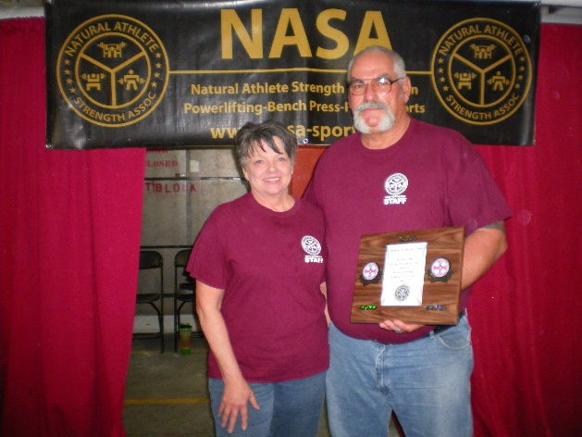
John Frock with Wife Pat
After recieving his
2017 NASA Hall of Fame
Award from NASA President Rich Peters at the 2018 Ohio State meet
April 14th 2018

 | Yount Family First Place Family Team 5/20/2023

